Eye-tracking details
Technical details eye-tracking setup - Example

Lab name | cdc-ceu
Eye-tracking system | Eyelink 1000 Plus

Screen resolution in pixels
Width | 1920
Height | 1080
Screen dimensions in mm
Width | 537
Height | 301
Distance at which the infant was seated from the screen in mm
distance | 600
Samplerate of the eye-tracker in Hz
samplerate | 500

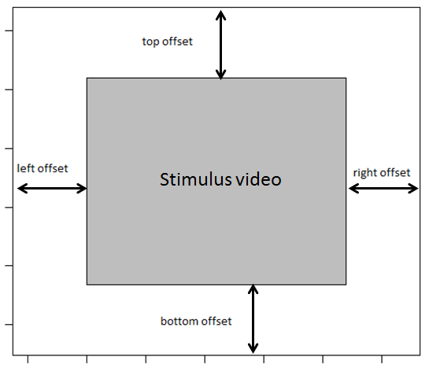
Variable names
Please specify the names of the variables in the raw eye-tracking data file that refer to the:

Participant ID | RECORDING_SESSION_LABEL
Stimuli | VIDEO_NAME
Trial | TRIAL_INDEX

AOI information
Please specify where the stimulus video was located on the screen, see figure

left offset in pixels | 285
right offset in pixels | 285
top offset in pixels | 0
bottom offset in pixels | 0

Was the stimulus video presented as described in this document:
https://docs.google.com/spreadsheets/d/1iu16TyhN314nUV3a5oGx4oHPnXf39-rzmQa4Psj7pD0/
 | Yes

